Sheet1
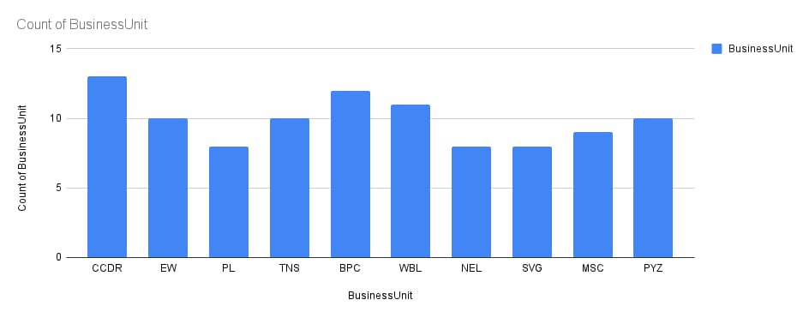
ï»¿EmpID | FirstName | LastName | BusinessUnit | EmployeeStatus | EmployeeType | GenderCode | Performance Score | Current Employee Rating
3427 | Uriah | Bridges | CCDR | Active | Contract | Female | Fully Meets | 4 | HIGH
3428 | Paula | Small | EW | Active | Contract | Male | Fully Meets | 3 | LOW
3429 | Edward | Buck | PL | Active | Full-Time | Male | Fully Meets | 4 | HIGH
3430 | Michael | Riordan | CCDR | Active | Contract | Male | Fully Meets | 2 | LOW
3431 | Jasmine | Onque | TNS | Active | Contract | Female | Fully Meets | 3 | LOW
3432 | Maruk | Fraval | BPC | Active | Contract | Male | Fully Meets | 3 | LOW
3433 | Latia | Costa | WBL | Active | Full-Time | Female | Exceeds | 4 | HIGH
3434 | Sharlene | Terry | CCDR | Active | Contract | Female | Fully Meets | 2 | LOW
3435 | Jac | McKinzie | NEL | Active | Contract | Male | Exceeds | 3 | LOW
3436 | Joseph | Martins | BPC | Active | Part-Time | Male | Fully Meets | 5 | VERY HIGH
3437 | Myriam | Givens | SVG | Active | Contract | Female | Fully Meets | 5 | VERY HIGH

